Dashboard
ETF Portfolio Calculator
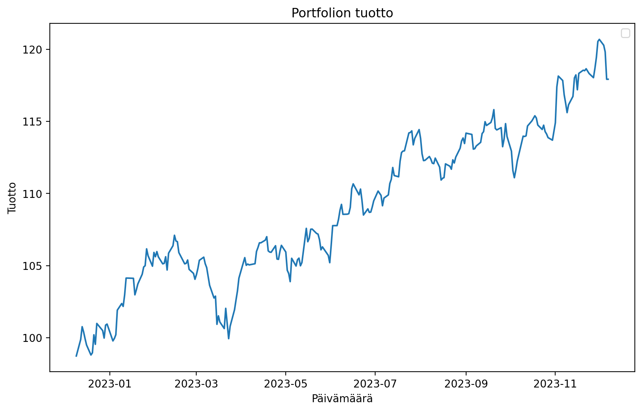
 | Paste The Tickers: |  |  | Ticker Finder:
 | FLM | First Trust Global Eng and Const ETF | | | Search word: | SP500
 | RJA | ELEMENTS Linked to the Rogers International Commodity Index - Agriculture Total Return | | | Ticker | Name | Exchange
 | PAGG | PowerShares Global Agriculture ETF | | | ESE.PA | BNPP SP500 EUR C | PAR
 | IFNA | iShares North America Real Estate | | | SP5.MC | MUL LY SP500 D | MCE
 | GEX | VanEck Vectors Global Alt Energy ETF | | | ESEH.PA | BNPP SP500 EURH C | PAR
 | EMLP | First Trust North Amer Engy InfrasETF | | | LYP2.BE | MUL LY SP500 DHD | BER
 | DVYA | iShares Asia/Pacific Dividend ETF | | | ESD.PA | BNPP SP500 USD C | PAR
 | AOK | iShares Trust - iShares Core Conservative Allocation ETF | | | UBU9.HM | UBS(I.)ETF-SP500 U.E.ADDL | HAM
 | ADZ | DB Agriculture Short ETN | | | LYPS.BE | MUL LY SP500 D | BER
 | MINT | PIMCO Enhanced Short Maturity Active ETF | | | UBU9.DU | UBS(I.)ETF-SP500 U.E.ADDL | DUS
 | ITM | VanEck Vectors ETF Trust - VanEck Vectors AMT-Free Intermediate Municipal Index ETF | |
 | IGV | iShares Trust - iShares North American Tech-Software ETF | |
 | FEUZ | First Trust Eurozone AlphaDEX ETF | |
 | AGLS | AdvisorShares Accuvest Glbl Lg Sht ETF | |
 |  |  | |
 |  |  | |
 |  |  | |
 |  |  | |
 |  |  | |
 |  |  | |
 |  |  | |
 |  |  | |
 |  |  | |
 |  |  | |
 |  |  | |
 |  |  | |
 |  |  | |
 |  |  | |
 |  |  | |
 |  |  | |
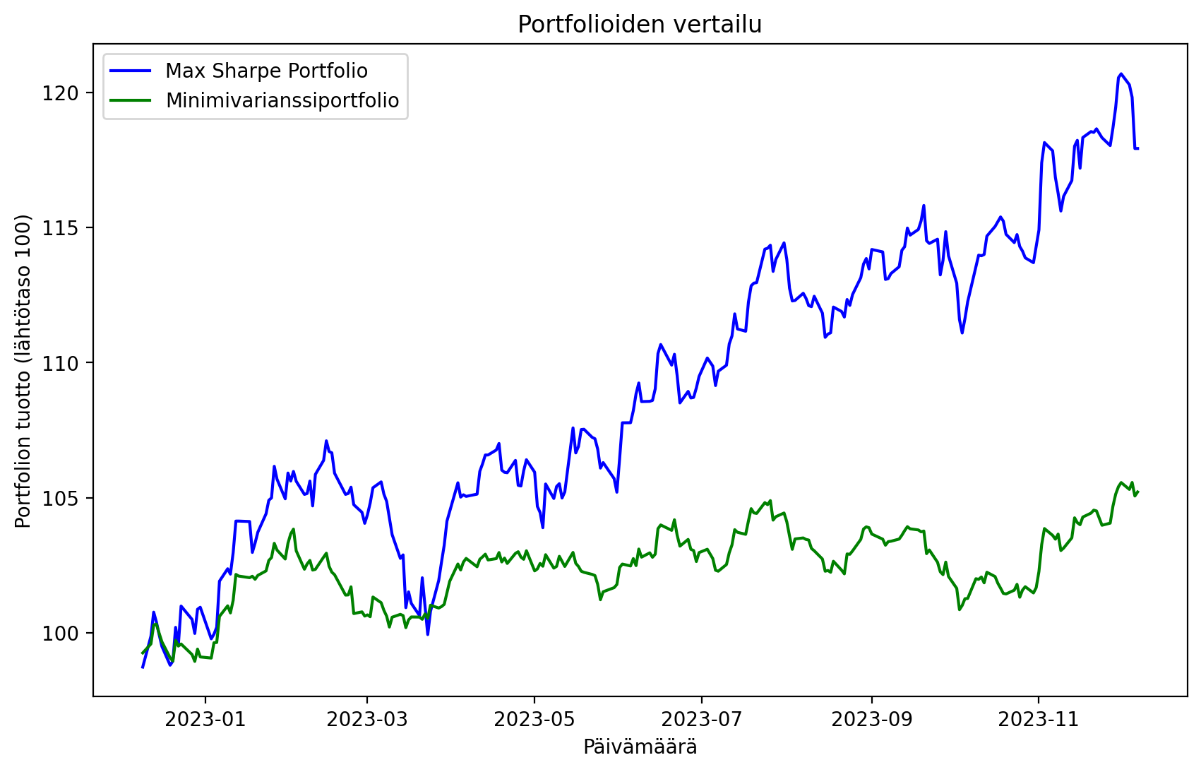
 |  |  | |
 |  |  | |
 |  |  | |
 |  |  | |
 |  |  | |
 |  |  | |
 |  |  | |
 |  |  | |
 |  |  | |
 |  |  | |
 |  |  | |
 |  |  | |
 |  |  | |
 |  |  | |
 |  |  | |
 |  |  | |
 |  |  | |
 |  |  | |
 |  |  | |
 |  |  | |
 |  |  | |
 |  |  | |
 |  |  | |
 |  |  | |
 |  |  | |
 |  |  | |
 |  |  | |
 |  |  | |
 |  |  | |
 |  |  | |
 |  |  | |
 |  |  | |
 |  |  | |
 |  |  | |
 |  |  | |
 |  |  | |
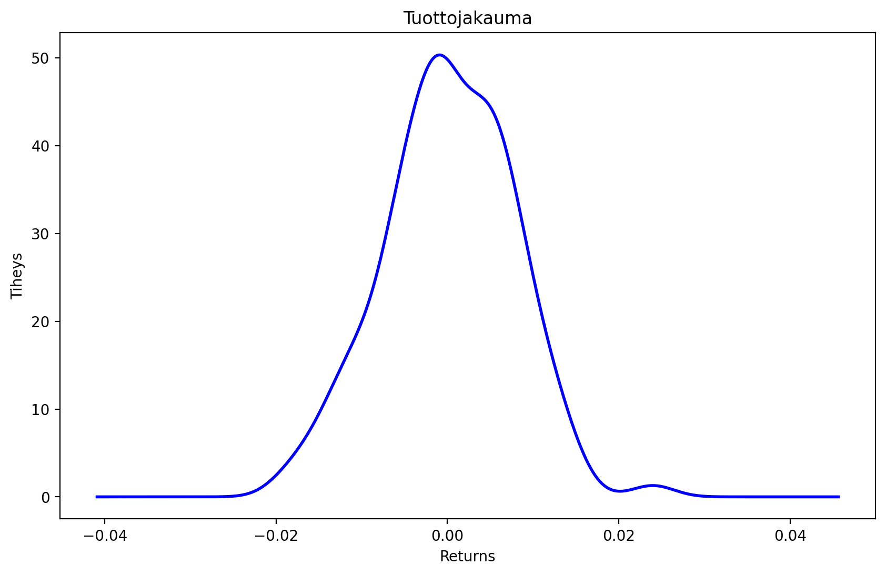
 |  |  | |
 |  |  | |
 |  |  | |
 |  |  | |
 |  |  | |
 |  |  | |
 |  |  | |
 |  |  | |
 |  |  | |
 |  |  | |
 |  |  | |
 |  |  | |
 |  |  | |
 |  |  | |
 |  |  | |
 |  |  | |
 |  |  | |
 |  |  | |
 |  |  | |
 |  |  | |
 |  |  | |
 |  |  | |
 |  |  | |
 |  |  | |
 |  |  | |
 |  |  | |
 |  |  | |
 |  |  | |
 |  |  | |
 |  |  | |
 |  |  | |
 |  |  | |
 |  |  | |
 |  |  | |
 |  |  | |
 |  |  | |
 |  |  | |
 |  |  | |
 |  |  | |
 |  |  | |
 |  |  | |
 |  |  | |
 |  |  | |
 |  |  | |
 |  |  | |
 |  |  | |
 |  |  | |
 |  |  | |
 |  |  | |

